Sheet1
COLORS | SWATCH SAMPLE* | SHADE NAME** | CODE | BRAND | PALETTE
Blue | Click to view shade swatch | SLATE | CW-700 | Benjamin Moore | Williamsburg
Blue | Click to view shade swatch | Powder Blue | SW2863 | Sherwin-Williams | Historic (Preservation)
*It is recommended that the applicant view the shade swatch sample for the desired paint shade in-store, as the electronic swatch color varies slightly from the true shade.
**The shades listed here are for reference purposes only. Please complete and submit the following application to the York County Division of Development Services prior to any painting work.
Blue | Click to view shade swatch | Stratford Blue | SW2864 | Sherwin-Williams | Historic (Preservation)
Blue | Click to view shade swatch | Downing Slate | SW2819 | Sherwin-Williams | Historic (Preservation)
Blue | Click to view shade swatch | Covington Blue | HC-138 | Benjamin Moore | Historical
Blue | Click to view shade swatch | Van Courtland Blue | HC-145 | Benjamin Moore | Historical
Blue | Click to view shade swatch | Philipsburg Blue | HC-159 | Benjamin Moore | Historical
Blue | Click to view shade swatch | Buxton Blue | HC-149 | Benjamin Moore | Historical
Blue | Click to view shade swatch | Hale Navy | Hc-154 | Benjamin Moore | Historical
Blue | Click to view shade swatch | Van Deusen Blue | HC-156 | Benjamin Moore | Historical
Blue | Click to view shade swatch | Whipple Blue | HC-152 | Benjamin Moore | Historical
Blue | Click to view shade swatch | Knoxville Gray | HC-160 | Benjamin Moore | Historical
Blue | Click to view shade swatch | Yarmouth Blue | Hc-150 | Benjamin Moore | Historical
Brown | Click to view shade swatch | PALACE TAN | CW-35 | Benjamin Moore | Williamsburg
Brown | Click to view shade swatch | EVERARD COFFEE | CW-150 | Benjamin Moore | Williamsburg
Brown | Click to view shade swatch | RALIEGH TAN | CW-190 | Benjamin Moore | Williamsburg
Brown | Click to view shade swatch | BRUSH BEIGE | CW-125 | Benjamin Moore | Williamsburg
Brown | Click to view shade swatch | SCRIVENER GOLD | CW-430 | Benjamin Moore | Williamsburg
Brown | Click to view shade swatch | BRYAN OCHRE | CW-390 | Benjamin Moore | Williamsburg
Brown | Click to view shade swatch | COFFEEHOUSE TAN | CW-130 | Benjamin Moore | Williamsburg
Brown | Click to view shade swatch | COFFEHOUSE CHOCOLATE | CW-165 | Benjamin Moore | Williamsburg
Brown | Click to view shade swatch | RALIEGH SORREL | CW-135 | Benjamin Moore | Williamsburg
Brown | Click to view shade swatch | BRACKEN BISCUIT | CW-120 | Benjamin Moore | Williamsburg
Brown | Click to view shade swatch | Colonial Tan | SW2828 | Sherwin-Williams | Historic (Preservation)
Brown | Click to view shade swatch | Beige | SW2859 | Sherwin-Williams | Historic (Preservation)
Brown | Click to view shade swatch | Sycamore Tan | SW2855 | Sherwin-Williams | Historic (Preservation)
Brown | Click to view shade swatch | Fairfax Brown | SW2856 | Sherwin-Williams | Historic (Preservation)
Brown | Click to view shade swatch | Birdseye Maple | SW2834 | Sherwin-Williams | Historic (Preservation)
Brown | Click to view shade swatch | Craftsman Brown | SW2835 | Sherwin-Williams | Historic (Preservation)
Brown | Click to view shade swatch | Quartersawn Oak | SW2836 | Sherwin-Williams | Historic (Preservation)
Brown | Click to view shade swatch | Aurora Brown | SW2837 | Sherwin-Williams | Historic (Preservation)
Brown | Click to view shade swatch | Polished Mahogany | SW2838 | Sherwin-Williams | Historic (Preservation)
Brown | Click to view shade swatch | Weathered Shingle | SW2841 | Sherwin-Williams | Historic (Preservation)
Brown | Click to view shade swatch | Roycroft Suede | SW2842 | Sherwin-Williams | Historic (Preservation)
Brown | Click to view shade swatch | Roycroft Brass | SW2843 | Sherwin-Williams | Historic (Preservation)
Brown | Click to view shade swatch | Rookwood Tera Cotta | SW2803 | Sherwin-Williams | Historic (Preservation)
Brown | Click to view shade swatch | Renwick rose Beige | SW2804 | Sherwin-Williams | Historic (Preservation)
Brown | Click to view shade swatch | Renwick Beige | SW2805 | Sherwin-Williams | Historic (Preservation)
Brown | Click to view shade swatch | Rookwood Brown | SW2806 | Sherwin-Williams | Historic (Preservation)
Brown | Click to view shade swatch | Rookwood Medium Brown | SW2807 | Sherwin-Williams | Historic (Preservation)
Brown | Click to view shade swatch | Rookwood Dark Brown | SW2808 | Sherwin-Williams | Historic (Preservation)
Brown | Click to view shade swatch | Downing Straw | SW2813 | Sherwin-Williams | Historic (Preservation)
Brown | Click to view shade swatch | Rookwood Antique gold | SW2814 | Sherwin-Williams | Historic (Preservation)
Brown | Click to view shade swatch | Downing Earth | SW2820 | Sherwin-Williams | Historic (Preservation)
Brown | Click to view shade swatch | Downing Sand | SW2822 | Sherwin-Williams | Historic (Preservation)
Brown | Click to view shade swatch | Rookwood Clay | SW2823 | Sherwin-Williams | Historic (Preservation)
Brown | Click to view shade swatch | Renwick Golden Oak | SW2824 | Sherwin-Williams | Historic (Preservation)
Brown | Click to view shade swatch | Putnam Ivory | HC-39 | Benjamin Moore | Historical
Brown | Click to view shade swatch | Alexandria Beige | HC-77 | Benjamin Moore | Historical
Brown | Click to view shade swatch | Bleeker Beige | HC-80 | Benjamin Moore | Historical
Brown | Click to view shade swatch | Middlebury Brown | HC-68 | Benjamin Moore | Historical
Brown | Click to view shade swatch | Wilmington Tan | HC-34 | Benjamin Moore | Historical
Brown | Click to view shade swatch | Hasbrouck Brown | HC-71 | Benjamin Moore | Historical
Brown | Click to view shade swatch | Powell Buff | HC-35 | Benjamin Moore | Historical
Brown | Click to view shade swatch | Fairview Taupe | HC-85 | Benjamin Moore | Historical
Brown | Click to view shade swatch | Greenfield Pumpkin | HC-40 | Benjamin Moore | Historical
Brown | Click to view shade swatch | Quincy Tan | HC-25 | Benjamin Moore | Historical
Brown | Click to view shade swatch | Whitall Brown | HC-69 | Benjamin Moore | Historical
Gold | Click to view shade swatch | Classical Gold | SW2831 | Sherwin-Williams | Historic (Preservation)
Gray | Click to view shade swatch | RANDOLPH GRAY | CW-85 | Benjamin Moore | Williamsburg
Gray | Click to view shade swatch | TAVERN GRAY | CW-40 | Benjamin Moore | Williamsburg
Gray | Click to view shade swatch | RANDOLPH STONE | CW-75 | Benjamin Moore | Williamsburg
Gray | Click to view shade swatch | FINNIE GRAY | CW-55 | Benjamin Moore | Williamsburg
Gray | Click to view shade swatch | BRACKEN SLATE | CW-690 | Benjamin Moore | Williamsburg
Gray | Click to view shade swatch | Colonial Grey | SW2832 | Sherwin-Williams | Historic (Preservation)
Gray | Click to view shade swatch | Colonial Stone | SW2827 | Sherwin-Williams | Historic (Preservation)
Gray | Click to view shade swatch | Colonial Green Stone | SW2826 | Sherwin-Williams | Historic (Preservation)
Gray | Click to view shade swatch | Westchester Gray | SW2849 | Sherwin-Williams | Historic (Preservation)
Gray | Click to view shade swatch | Chelsea Gray | SW2850 | Sherwin-Williams | Historic (Preservation)
Gray | Click to view shade swatch | Hammered Silver | SW2840 | Sherwin-Williams | Historic (Preservation)
Gray | Click to view shade swatch | Roycroft Mist Gray | SW2844 | Sherwin-Williams | Historic (Preservation)
Gray | Click to view shade swatch | Bunglehouse Gray | SW2845 | Sherwin-Williams | Historic (Preservation)
Gray | Click to view shade swatch | Roycroft Bronze Green | SW2846 | Sherwin-Williams | Historic (Preservation)
Gray | Click to view shade swatch | Roycroft Pewter | SW2848 | Sherwin-Williams | Historic (Preservation)
Gray | Click to view shade swatch | Downing Stone | SW2821 | Sherwin-Williams | Historic (Preservation)
Gray | Click to view shade swatch | Templeton Gray | HC-161 | Benjamin Moore | Historical
Gray | Click to view shade swatch | Rockport Gray | HC-105 | Benjamin Moore | Historical
Gray | Click to view shade swatch | Stonington Gray | HC-170 | Benjamin Moore | Historical
Gray | Click to view shade swatch | Coventry Gray | HC-169 | Benjamin Moore | Historical
Gray | Click to view shade swatch | Ashley Gray | HC-87 | Benjamin Moore | Historical
Gray | Click to view shade swatch | Revere Pewter | HC-172 | Benjamin Moore | Historical
Gray | Click to view shade swatch | Edgecomb Gray | HC-173 | Benjamin Moore | Historical
Green | Click to view shade swatch | BURWELL GREEN | CW-445 | Benjamin Moore | Williamsburg
Green | Click to view shade swatch | WALLER GREEN | CW-510 | Benjamin Moore | Williamsburg
Green | Click to view shade swatch | PALMER GREEN | CW-475 | Benjamin Moore | Williamsburg
Green | Click to view shade swatch | Colonial Sea Green | SW2825 | Sherwin-Williams | Historic (Preservation)
Green | Click to view shade swatch | Sage | SW2860 | Sherwin-Williams | Historic (Preservation)
Green | Click to view shade swatch | Avacado | SW2861 | Sherwin-Williams | Historic (Preservation)
Green | Click to view shade swatch | Burma Jade | SW2862 | Sherwin-Williams | Historic (Preservation)
...

WHITE(SW)
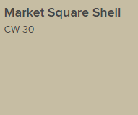
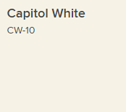
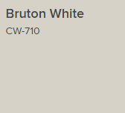
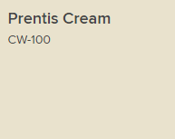
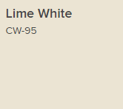
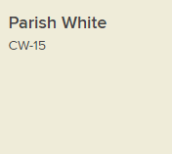

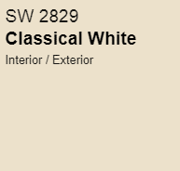
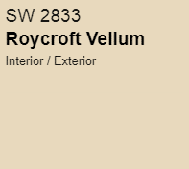
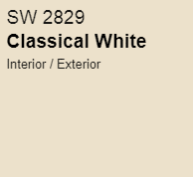

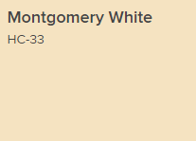
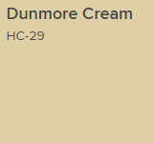
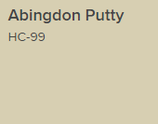
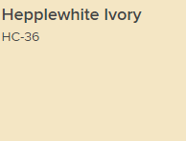
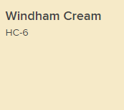

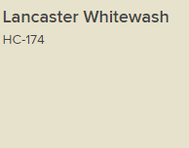
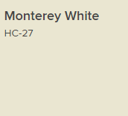
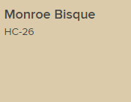

YELLOW(SW)
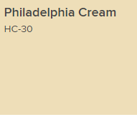
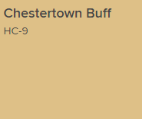
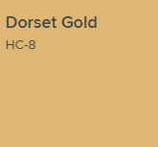
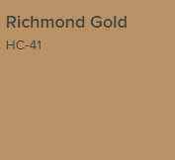
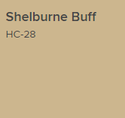

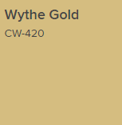
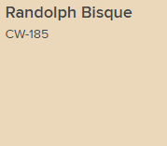

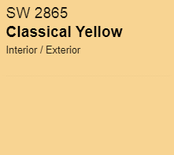
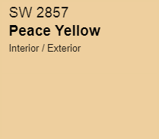
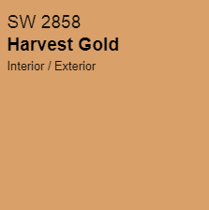
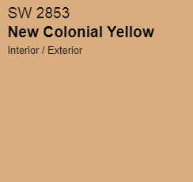

RED(SW)
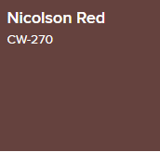
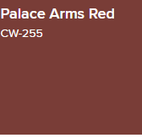

2839

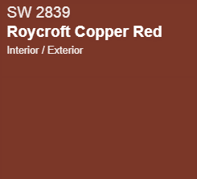
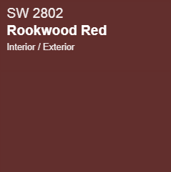
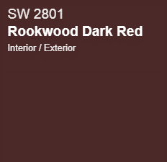

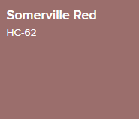
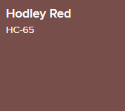
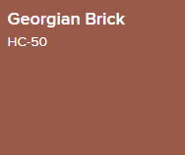
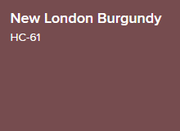
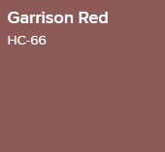

PINK(SW)
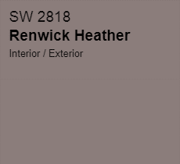

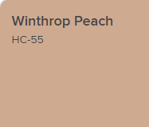
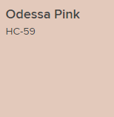

ORANGE(SW)
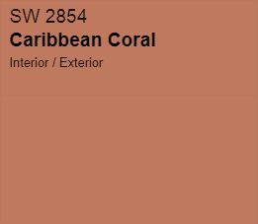
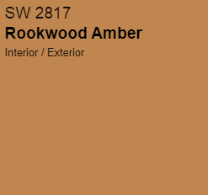

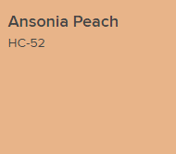
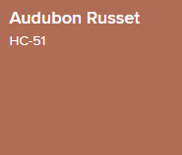
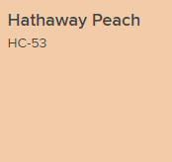

GREY(SW)
